General guidelines
A | gawin muna natin ung paper (intro-objectives and limitations, and rrl; pabago ng sched @hilasque up until next weekend ang start ng designing)
B | tapos base dun sa mga naresearch nating theory sa electromagnets at ung bldc motors, gawa na tayo ng design (methodology) considerations
 | plus, meron na tayong placeholder design (temporary; nadecide kahapon sa meeting), pero magkaroroon ng minor changes dun after ng #1 step

 | ang gist ng design:

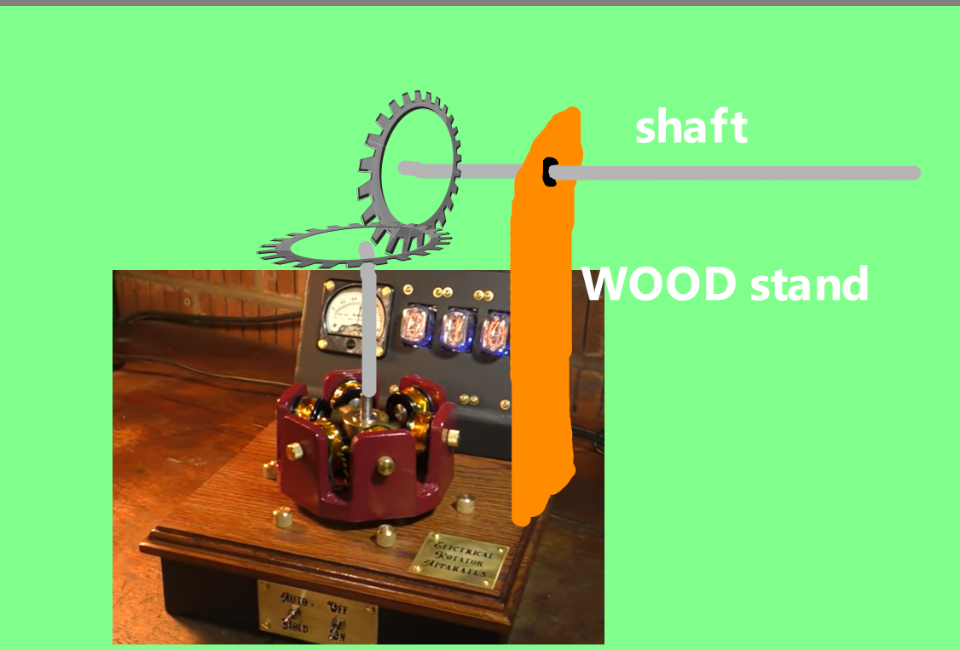
 |  |  |  |  |  |  | prototype 1
 | motor
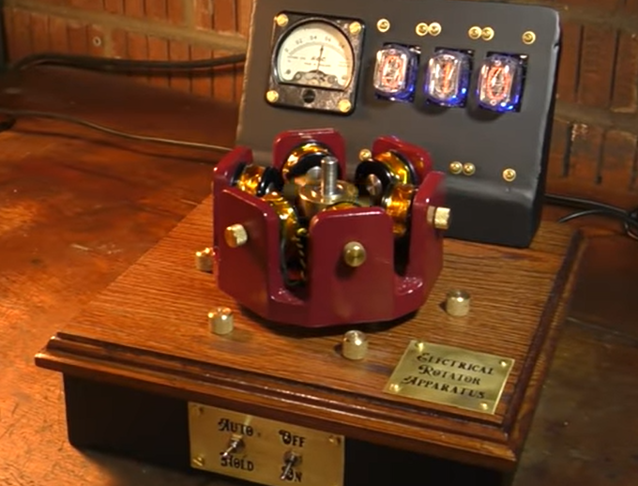
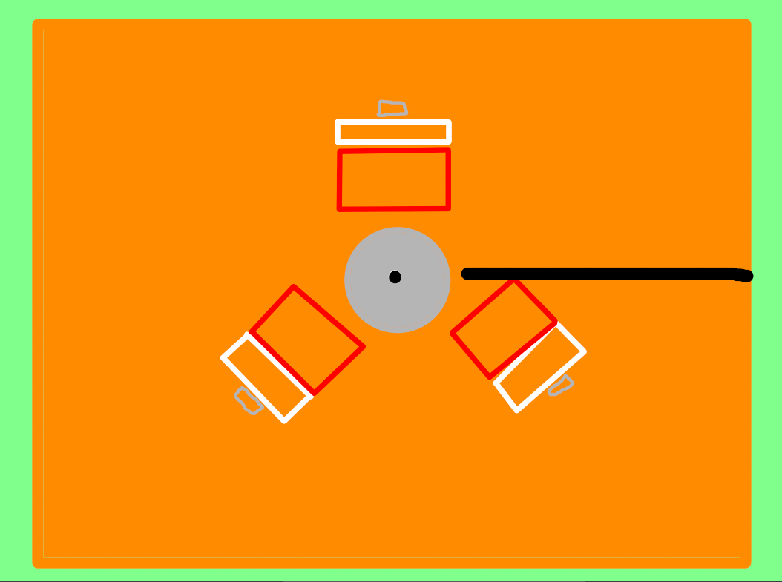

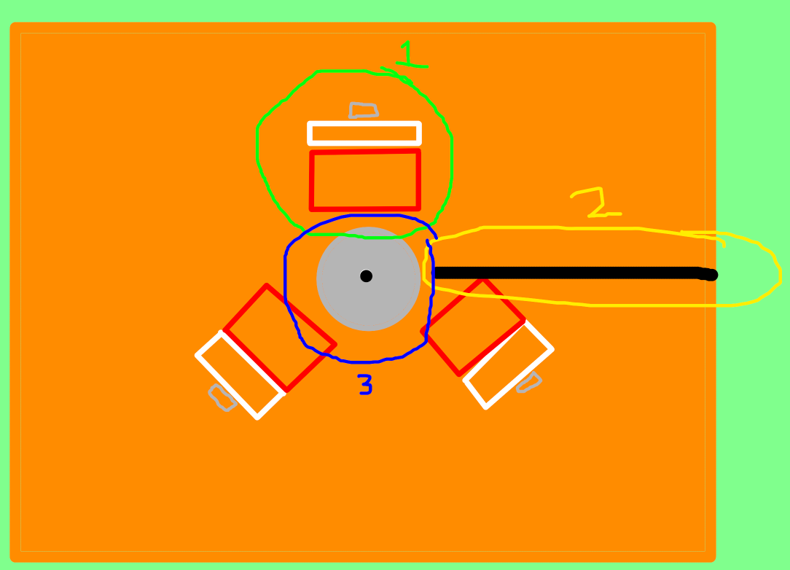
 |  |  |  |  |  |  | materials for each components (unknown pa mga dimensions, malalaman nalang after ng rrl & during designing phase)
 |  |  |  |  |  |  | 1.green | copper wire |  |  | setup ng coil windings
 |  |  |  |  |  |  |  | bolt
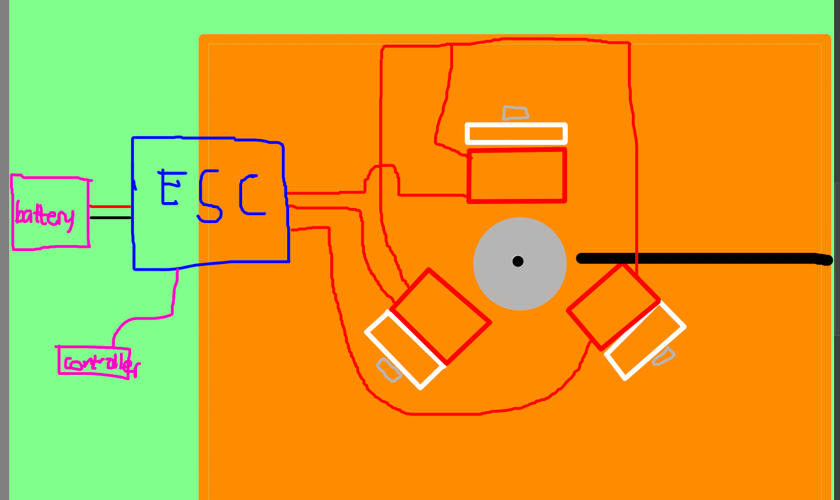
 |  |  |  |  |  |  |  | wood (carved)
 |  |  |  |  |  |  | 2.yellow | shaft
 |  |  |  |  |  |  |  | gear
 |  |  |  |  |  |  | 3.blue | 3d printed parts
 |  |  |  |  |  |  |  | magnets
 |  |  |  |  |  |  |  | bearings
 |  |  |  |  |  |  |  | shaft

 |  | details ng 3: 3d printed parts |  |  |  |  |  |  | LAHAT NG merong X is pending pa ang measurement
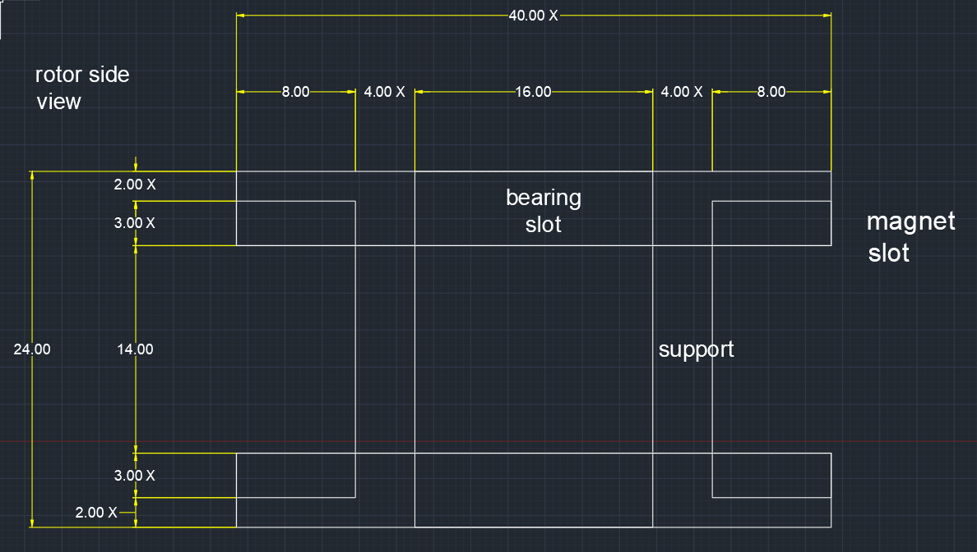
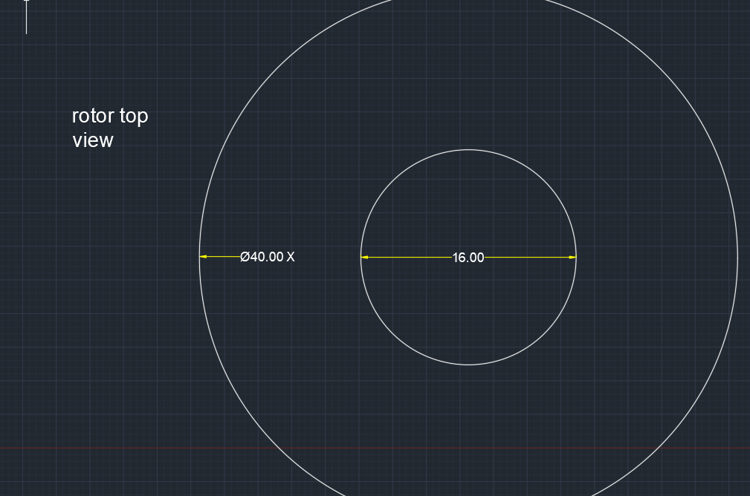

C | sana maging involved lahat sa paggawa ng paper at nung project, pero parang imposible base sa mga pinapakita nyong ndi binabasa ung mga nangyayari
 | hatian ng task is magiging like dis:

 |  |  |  | fauni | design | ferris wheel
 |  |  |  |  | construction
 |  |  |  |  | construction | motor

 |  |  |  | gab | construction/design | paper |  |  |  | eto mga main responsibility mo
 |  |  |  |  |  | ferris wheel |  |  |  | optional lang ung gumawa beyond dis scope
 |  |  |  |  |  | motor

 |  |  |  | hilasque | construction/design | paper
 |  |  |  |  |  | ferris wheel

 |  |  |  | bryan | construction & design | paper
 |  |  |  |  |  | motor

 |  |  |  | ali | construction/design | motor
 |  |  |  |  |  | ferris wheel

 |  |  |  | patrick | construction/design | paper
 |  |  |  |  |  | motor
 |  |  |  |  |  | ferris wheel

 |  |  |  | jesi | construction & design | paper
 |  |  |  |  |  | motor
 |  |  |  |  |  | ferris wheel

 |  |  | lahat ng

